Issue configuration
JIRA data or configuration | ONES data or configutation | Import Status | Example
Issue types
Name | Name | Supported
Avatar | Avatar | No need to import
Description | / | Unsupported by this tool ONES 自带系统工作项类型图像
Issue Type Scheme
Issue type schemes |  | Unsupported by this tool
Workflows
Linked Status | Status | Supported
Transition Name | Transition name | Supported
Transition Description | / | Unsupported by this tool
Property | / | Unsupported by this tool
Triggers | / | Unsupported by this tool
Condition | / | Unsupported by this tool
Validators | / | Unsupported by this tool
Post function | / | Unsupported by this tool
Transition View | / | Unsupported by this tool
Workflow schemes | / | Unsupported by this tool
Screen
Screen Name | / | Unsupported by this tool
Screen Description | / | Unsupported by this tool
Configure Screen-Tab | Module tab configuration | Partially supported
Screen Schemes
Screen Scheme Name | Configuration-Layout configuration | Partially supported，ONES layout name will generate a prefix of「work item type-」
Screen Scheme Description | / | Unsupported by this tool
Default Screen | / | Unsupported by this tool
Create Issue Screen | Configuration items-New form | Supported
Edit Issue Screen | / | Unsupported by this tool
View Issue Screen | Configuration items-Details form | Supported
Issue Type Screen Schemes
Issue Type Screen Schemes | / | Unsupported by this tool
System field
ID | Custom Issue field(Short text) | Partially supported
Project | Project | Supported
Type | Issue type | Supported
Summary | Title | Supported
Status | Status | Supported
Priority | Priority | Supported
Sprint | Sprint | Supported
Description | Description | Partially supported，rich text in Jira can only be imported in text form. | 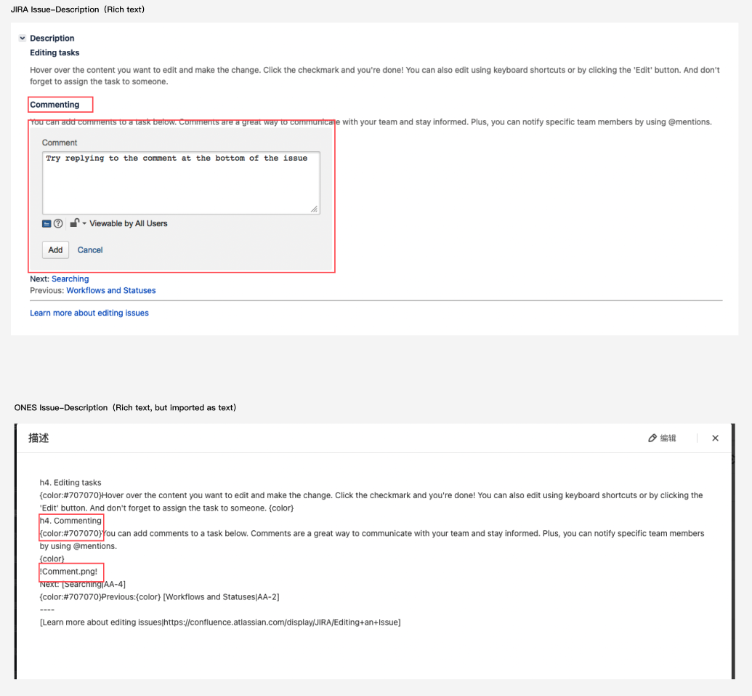
Fix Version/s | Link release | Supported | 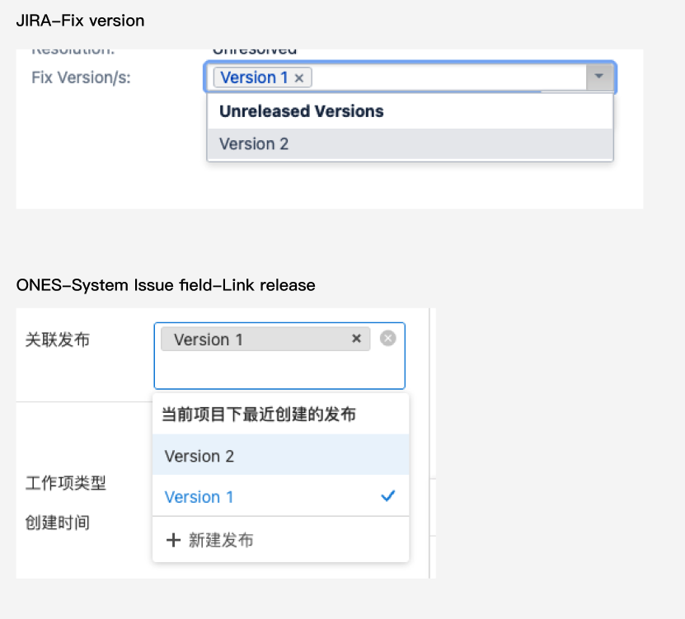
Affects Version/s | Custom issue field (short text) | Partially supported
Security level | / | Unsupported by this tool
Labels | Custom issue field (short text) | Partially supported
Resolution | Custom issue field (Select list（single choice)) | Partially supported
Envrionment | Custom issue field (Long text) | Partially supported
Creator | Creator | Supported
assignee | Assignee | Supported
Reporter | Custom issue field (short text) | Partially supported
Votes | / | Unsupported by this tool
Watcher | Watcher | Supported
Created date | Created | Supported
Updated date | Updated | Supported
Due date | Due date | Supported
Custom fields
Name | Custom field name | Supported
Description | / | Unsupported by this tool
Default value | / | Unsupported by this tool
Labels | Short text | Partially supported
Radio Buttons | Select list（single choice) | Partially supported
Checkboxes | Select list（multiple choices) | Partially supported
Date Time Picker | Time | Supported
Date Picker | Date | Supported
Number Field | Number(float) | Supported
Text Field (single line) | Short text | Supported
Text Field (multi-line) | Long text | Supported
Select List (multiple choices) | Select list（multiple choices) | Supported
Select List (cascading) | Short text | Partially supported
Select List (single choice) | Select list（single choice) | Supported
User Picker (single user) | User picker（single user) | Supported
URL Field | Short text | Partially supported
Version Picker (single version) | Short text | Partially supported
Version Picker (multiple versions) | Short text | Partially supported
Global Rank | Short text | Partially supported
Text Field (read only) | Long text | Partially supported
Project Picker (single project) | Short text | Partially supported
User Picker (multiple users) | User picker（multiple users) | Partially supported
Group Picker (single group) | Short text | Partially supported
Group Picker (multiple groups) | Short text | Partially supported
Development Summary | / | Unsupported by this tool
Hidden Job Switch | / | Unsupported by this tool
JIRA Released Version History | / | Unsupported by this tool
Job Checkbox | / | Unsupported by this tool
Epic name | Short text | Partially supported
Epic status | Select list（multiple choices) | Partially supported
Issue Type Screen Schemes
Issue Type Screen Schemes |  | Unsupported by this tool
Field Configurations
Field Configurations | / | Unsupported by this tool
Field Configuration Schemes
Hide/Show | / | Unsupported by this tool
Required/Optional |  | Unsupported by this tool
Priorities
Name | Name | Supported
Description | Description | Supported
Icon | / | Unsupported by this tool
Color | Background color | Unsupported by this tool
Order | Order | Unsupported by this tool
Priority schemes
Priority schemes | / | Unsupported by this tool
Time Tracking
Working hours per day | Standard working time | Supported
Working days per week | Workday | Supported
Time display format | / | Unsupported by this tool
Default uniti for time tracking-minute | / | Unsupported by this tool
Default uniti for time tracking-hour | Default time unit-hour | Supported
Default uniti for time tracking-day | Default time unit-day | Supported
Default uniti for time tracking-week | / | Unsupported by this tool
Work log descrption can be shown in activity | / | Unsupported by this tool
Issue linking
Link type name | Link type name | Supported
Outward Description | Source description | Supported
Inward Description | Target description | Supported
/ | Link type | Unsupported field in Jira
Status
Status Name | Status Name | Supported
Status Description | / | Unsupported by this tool
Status Category | Status type | Supported
Resolution | / | Unsupported by this tool
Jira link with Confluence
Link with Confluence | / | Unsupported by this tool

Project
JIRA data or configuration |  | ONES data or configutation |  | Import Status | Example
Project basic info
Name |  | Name |  | Supported
Key |  | / |  | Unsupported by this tool
Project lead |  | Project owner |  | Supported
/ |  | Project creator |  | Unsupported by this tool，Jira backup does't contain Project creator,thus it will take as project lead.
/ |  | Created time |  | Unsupported by this tool，Jira backup does't contain Project created time,thus it will take the time it import in ONES
Default assignee |  | / |  | Unsupported by this tool
URL |  | Customer Project field-Short text |  | Partially supported
Project type |  | Customer Project field-Select list（single choice) | Project type | Partially supported
Project category |  | Customer Project field-Select list（single choice) | Project category | Partially supported
Icon |  | / |  | Unsupported by this tool
Description |  | Customer Project field-Long text |  | Partially supported
Action |  | / |  | Unsupported by this tool
Add link |  | / |  | Unsupported by this tool
Versions
Name |  | Name |  | Supported
Status |  | Status |  | Supported
Start date |  | Custom Issue field:Release-Start date |  | Supported
Release date |  | Release date |  | Supported
Description |  | Description |  | Supported
Release note |  | / |  | Jira backup does't contain release note，Unsupported by this tool
Progress |  | Progress |  | No need to import
Components
Lead |  | / |  | Unsupported by this tool | 
Description |  | / |  | Unsupported by this tool
Default assignee |  | / |  | Unsupported by this tool
Project Role
Name |  | Name |  | Supported
Descrption |  | / |  | Unsupported by this tool
Add user to a role | User group | Add member | Users in User Group | Partially supported,Jira user group in Project role will be imported as user.
 | User |  | User | Supported
Default member |  |  |  | Unsupported by this tool
Email address |  |  |  | Unsupported by this tool
Issue in Project
Issue links | Description | Linked issue | Link description | Supported
 | Issue |  | Issue | Supported
URL |  | / |  | Unsupported by this tool
Subtask |  | Subtask |  | Supported
Comment |  | Comment |  | Partially supported，rich text in Jira can only be imported in text form
Activity |  | Activity |  | Partially supported，history forJira custom field is not supported
Hisotry |  | / |  | No need to import,since Acitivity has same info with Histroy
Component/s |  | Custom issue field (short text) |  | Partially supported
Worklog
Original Estimate |  | Time estimated |  | Supported
Remaining Estimate |  | Time remaining |  | Supported
Logged |  | Time spent |  | Supported
Worklog description |  | Worklog description |  | Unsupported by this tool
Sprint
Name |  | Name |  | Supported
 |  | Sprint owner |  | Partially supported，Jira has different duration form with
Duration |  | Duration |  | Partially supported.Jira has different duration form with ONES，thus, Jira sprint duration all imported as custom
Start date |  | Start date |  | Supported
End date |  | End date |  | Supported
Sprint goal |  | / |  | Unsupported by this tool
Board
Development tools |  | / |  | Unsupported by this tool
Issue collectors |  | /

